1. Title Page
[Instacart Basket Analysis]

Project Name: Instacart Basket Analysis
Date: 2/24/2024
Analyst Name: Marcia Gonzalez

Contents:
Population Flow
Consistency checks
Wrangling steps
Column derivations
Visualizations
Recommendations

Data citation:
“The Instacart Online Grocery Shopping Dataset 2017”, Accessed from www.instacart.com/datasets/grocery-shopping-2017 via Kaggle on [1/15/2024].

2. Population Flow
Title page

Population flow

Exclusion flag
Condition: max_order < 5
Obervations to be removed: 1440295
Final total count of order_products_all: 30,964,564

Orders_products_combined
Orders_products_merged
Orders_products_all

Total: 32,434,489
Total: 32,404,859
Total: 32,404,859

1.) The grey boxes in the first row of the population flow represent the original data sets as they were when you downloaded them. In the Total fields you need to add the count of the rows when you imported the data set into Jupyter.
2.) The second row of boxes (coloured) represents the data sets after you manipulated them, e.g., removed missing values and duplicates. In the Total fields you need to add the count of the rows after conducting these operations. This offers a visual oveview of how the data flows throughout the data consistency checks.
3.) The third row, where also the arrows are coloured, represents the merges you performed between the datasets. In the Total fields you need to add the count of the rows in the merged datasets, so that you end up with the final dataset (in the red box). Keep in mind the final dataset should be without exclusions (based on the exclusion flag).

3. Consistency checks
 |  |  |  | Title page
Consistency checks

Dataset | Missing values | Missing values treatment | Duplicates
orders | 206,209 missing values in the days_since_prior_order column | Created a new column to act as a flag for the missing values. | There were no duplicates found
products | 16 missing values in product_name column | Created a new dataframe to remove the missing values | There were 5 duplicate values found, they were removed.
orders_products_prior | N/A | N/A | There were no duplicates found
customers | first_name has 11259 null values | It was decided to remove the fisrt_name and last_name columns to protect customer privacy | There were no duplicates found

4. Wrangling steps
 |  |  |  | Title page
Wrangling steps

Columns dropped | Columns renamed | Columns' type changed | Comment/Reason
eval_set from df_ords |  |  | unnecessary as it contains system information that acts as lables for the entire dataset.
 | order_dow to orders_day_of_week |  | dow is difficult to understand
 |  | order_id to 'str' | this is not relevant to the analysis as the number represents a key related to orders
 | order_number to number_of_orders |  | to make it more clear what the column is referring to
 |  | user_id to 'object' | the number is representative of a key and not relevant to the analysis
first_name and last_name |  |  | PII was present and it was determined this information was not necessary for analysis. Remvee to protect the customer.
 | Surnam to last name
 | n_dependants to number_of_dependants

5. Column derivations
 |  |  |  | Title page

Column derivations and aggregations

In this tab you should add tables below that the frequences of flags/label variables that you produced after deriving them. NB: don't do this for continuous variables, only for flags.
price_range_loc count
Mid-range product 21860860
Low-range product 10126321
High-range product 417678
busiest_day count
Regularly busy 12916111
Busiest days 11864412
Slowest days 7624336
busiest_days count
Regularly busy 12916111
Busiest days 11864412
Slowest days 7624336
busiest_period_of_day count
Most Orders 21118071
Average Orders 9997651
Fewest Orders 1289137
loyalty_flag count
Regular customer 15876776
Loyal customer 10284093
New customer 6243990
spender_flag count
Low spender 32282827
High spender 122032
frequency_flag count
Frequent customer 21559853
Regular customer 7208564
Non-frequent customer 3636437
nan 5
age_group count
Middle-Aged 3041582
Senior 2571174
Adult 3035688
Young Adult 1071718
depend_flag count
With Dependents 7291124
Without Dependents 2429038
income_category count
Middle income 7426743
High income 1214946
Low income 1078473
Dataset | New column | Column/s it was derived from | Conditions
ords_prods_merge | price_range_loc | prices | If the price is >15 then 'High-range product', if the price is > 5 but <15 then 'Mid-range product', if <5 then 'low-range product.
ords_prods_merge | Busiest_day | orders_day_of_week | if the value is 0 then 'busiest day', if the value is 4 then 'least busy', if any other value then 'regularly busy'
ords_prods_merge | Busiest_days | orders_day_of_week | if the value is 0 or 1 then 'busiest days', if the value is 3 or 4 then 'slowest days', if any other value then 'regularly busy'
ords_prods_merge | busiest_period_of_day | order_hour_of_day | If value is 10, 11, 14, 15, 13, 12, 16, 9 then 'most orders'. If the value is 17, 8, 18, 19, 20, 7, 21 or 22 then 'Average orders', any other value = 'fewest orders'
ords_prods_merge | max_order | user_id and order_number | shows the maximum number of orders
ords_prods_merge | loyalty_flag | max_order | if more than 40 orders- 'loyal customer', if between 110-40 orders- 'regular customer', if less than 10- 'new customer'.
ords_prods_merge | average_prices | user_id and prices | mean of the prices column
ords_prods_merge | spender_flag | average_prices | If the mean of the prices of products purchased by a user is lower than 10, then flag them as a “Low spender.” # If the mean of the prices of products purchased by a user is higher than or equal to 10, then flag them as a “High spender.”
ords_prods_merge | median_frequency | user_id and days_since_prior_order | median of days_since_prior_order column
ords_prods_merge | frequency_flag | median_frequency | # If the median of “days_since_prior_order” is higher than 20, then the customer should be labeled a “Non-frequent customer.” # If the median is higher than 10 and lower than or equal to 20, then the customer should be labeled a “Regular customer.” # If the median is lower than or equal to 10, then the customer should be labeled a “Frequent customer.”
Small | Region | STATE | Grouped states by regions of West, Northeast, Midwest, and South based on Wikipedia regions
Small | low_activity_flag | max_order | anyone with less than 5 orders
Small | age_group | age | if under 24- young adult, if between 24 and 44- adult, if between 44 and 65- middle-age, if older than 66- senior
small | income_category | income | low income- 50,000, middle income- 100,000, high income- 150,000
small | avg_dependant | number_of_dependants | this took the average number of dependants from the number_of_dependants column using their user id
small | depend_flag | number_of_dependants | this added a flag of with dependants for people with children and a without dependants flag to people without children.
small | customer_profile | age_group, income_category, dependant_flag | customer profile = age group+ income category + dependants flag
small | department_name | department_id | gave names to each department id based off the data dictionary created previously
Small | department_grouped | department_name, department_id | calculated using the top 5 department name

6. Visualizations
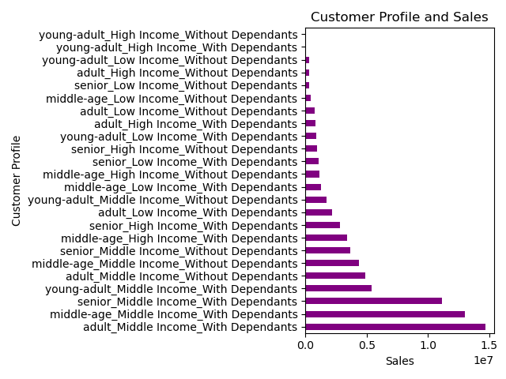
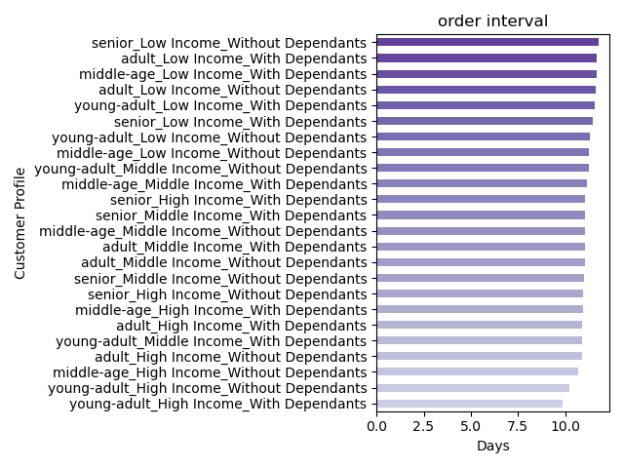
Title page

Visualizations

1. The sales team needs to know what the busiest days of the week and hours of the day are (i.e., the days and times with the most orders) in order to schedule ads at times when there are fewer orders.


Busiest Day of the Week

Busiest Hour of the Day

Hour of Day

2. The sales team also wants to know whether there are particular times of the day when people spend the most money, as this might inform the type of products they advertise at these times.

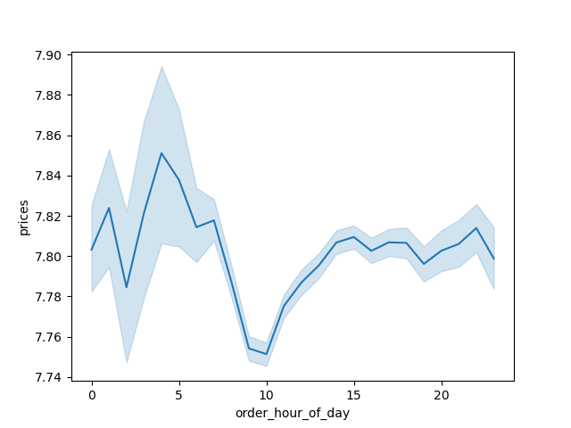
Prices by Time of Day
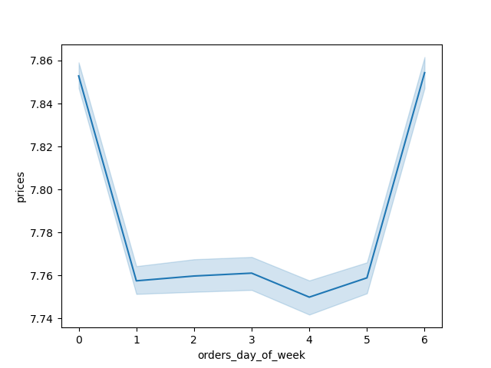
Prices by Day of Week

3. Instacart has a lot of products with different price tags. Marketing and sales want to use simpler price range groupings to help direct their efforts.

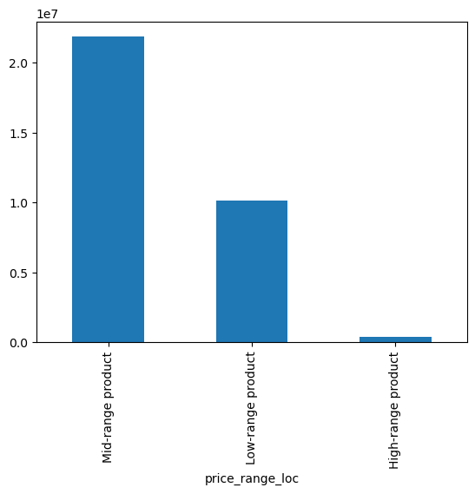

4. Are there certain types of products that are more popular than others? The marketing and sales teams want to know which departments have the highest frequency of product orders.

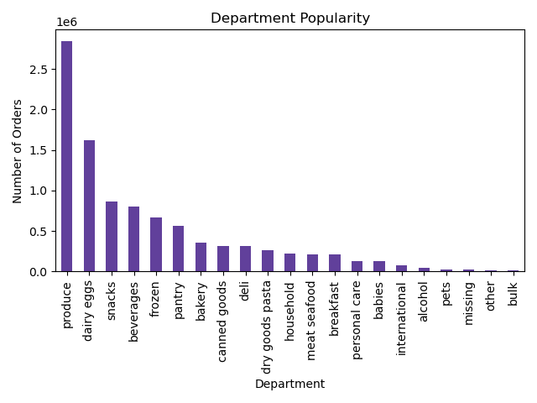
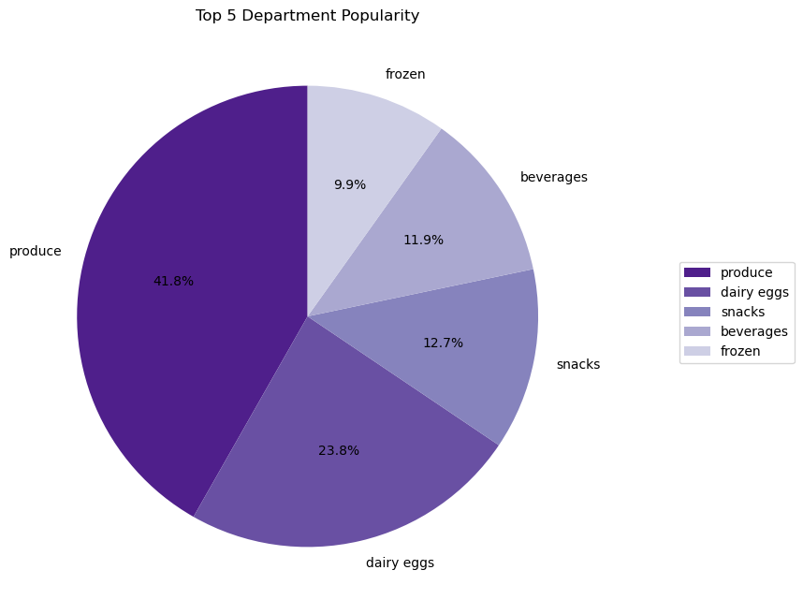

5. The marketing and sales team are particularly interested in different types of customers in their system and how their ordering behaviors differ. For example:
What is the distribution among users in regards to their brand loyalty (i.e. how often do they return to instacart)?

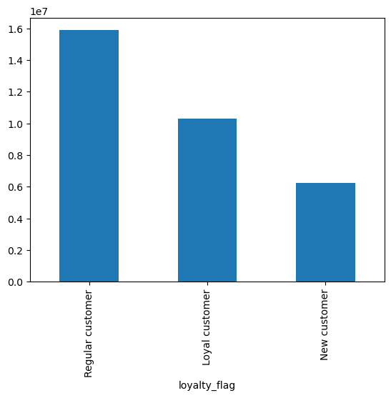

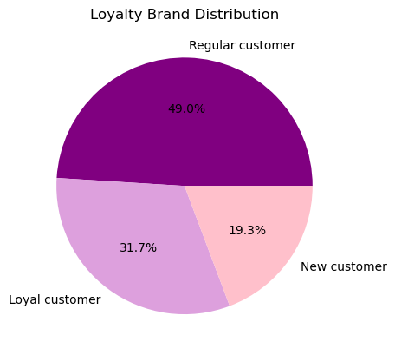

6. Are there differences in ordering habits based on a customer's loyalty status?

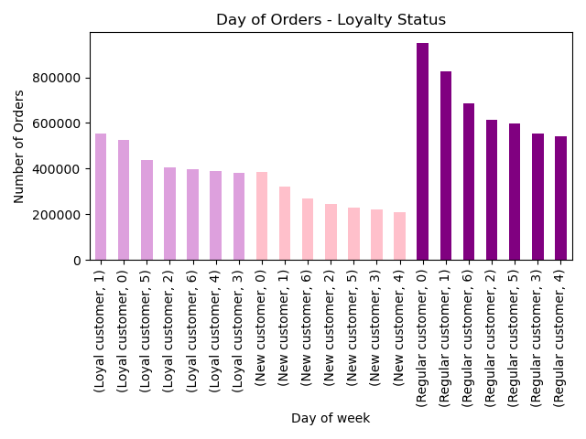

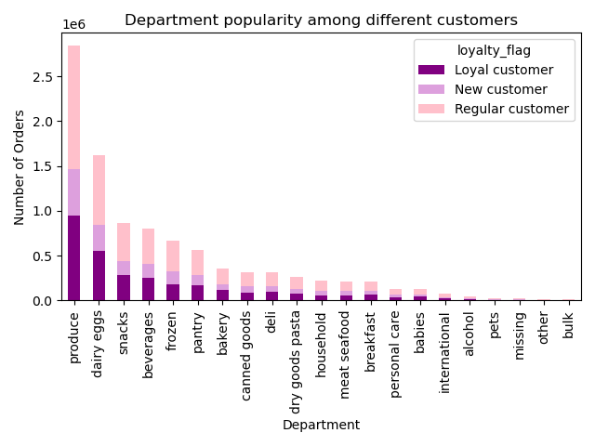

7. Are there differences in ordering habits based on a customer's region?

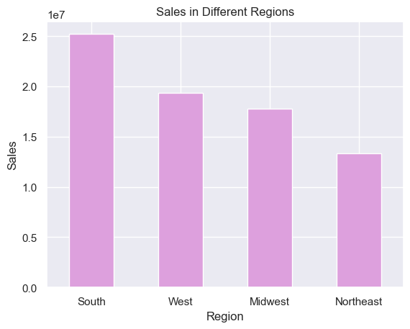
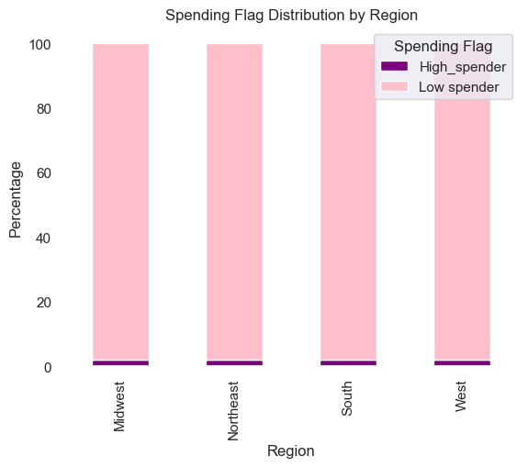

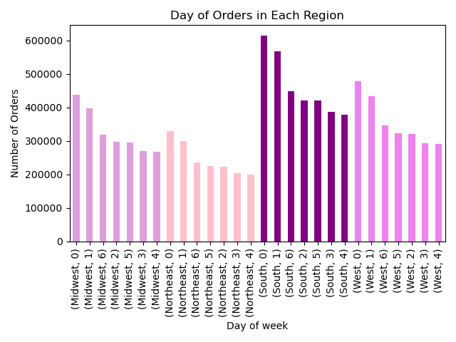
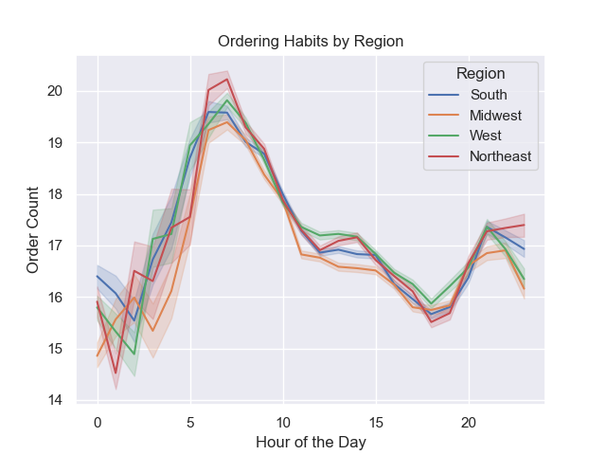

8. Is there a connection between age and family status in terms of ordering habits?

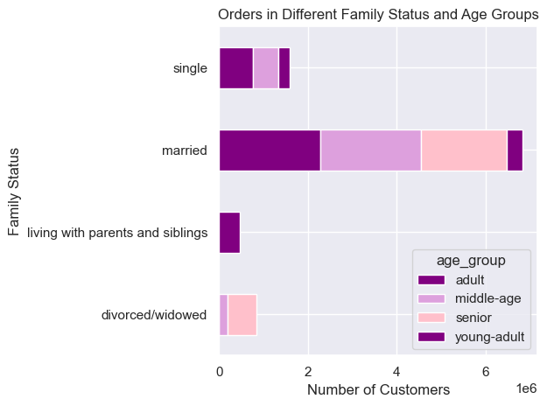
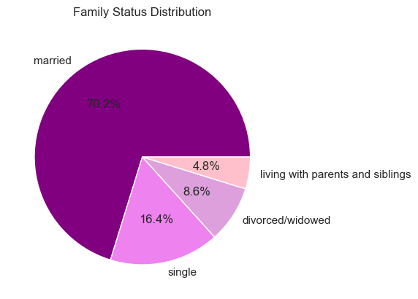

9. What different classifications does the demographic information suggest?



10. What differences can you find in ordering habits of different customer profiles?

7. Recommendations
 |  | Title page

Recommendations

Question | Answer
1. The sales team needs to know what the busiest days of the week and hours of the day are in order to schedule ads at times when there are fewer orders. | The sales team should target more ads during Tuesday and Wednesday, before 9 a.m. and after 4 p.m. The busiest days of the week are Saturday and Sunday, with peak hours from 9 a.m. to 4 p.m.
2. They also want to know whether there are particular times of the day when people spend the most money, as this might inform the type of products they advertise at these times. | There is a large difference in the average price per order in the early morning and late afternoon, with the lowest average order in the late morning/ mid-day hours. High-priced products are being purchased most during the late evening and early morning hours. Ads for high-priced goods should increase during the peak spending hours, especially between 2 am to 4 am and around 10 pm. The advertising strategy should be maximized during the weekends when we see a peak in spending, specifically after Thursday and before Sunday ends. and There is an increase in high-priced item purchases from 9 pm to 11 pm, peaking at 10 pm. This is followed by a significant surge from 2 am to around 5 am.
3. Instacart has a lot of products with different price tags. Marketing and sales want to use simpler price range groupings to help direct their efforts. | It's essential to prioritize marketing and sales efforts by focusing on mid-range priced products, which make up a majority of the inventory. It is recommended they have more ads for the high and low price products to raise awareness of these products.
4. Are there certain types of products that are more popular than others? The marketing and sales teams want to know which departments have the highest frequency of product orders. | Prioritize the Produce and Dairy Eggs departments as they have the highest frequency of product orders, contributing 42% and 24% of the orders respectively. Additionally, focus on Snacks, Beverages, and Frozen categories as they are the next highest in demand. Develop targeted campaigns, promotions, and advertisements for these top five high-demand categories to capitalize and maximize sales profits.
5. What’s the distribution among users in regards to their brand loyalty (i.e., how often do they return to Instacart)? | Regular customers make up a majority of the brand loyalty at about 51%, followed by 33% of customers in the loyal customer category. It is advised to introduce more incentives for loyalty customers to promote returning customers. Offer reduced or free delivery, and implement point reward systems to increase the loyal customer base. These strategies can help attract new customers with affordable membership options, turning them into future loyal customers. Additionally, having referral programs could help promote and grow the customer base.
6. Are there differences in ordering habits based on a customer’s loyalty status | There is not a noticeable deviation in department sales based upon customer loyalty. However, there are some slight differences in order volume by day of the week in each loyalty group. Each loyalty group has the most orders on Saturday and Sunday. New and Regular customers shop least on Wednesday and Tuesday, but Loyal customers shop least on Tuesday then Wednesday. Loyal customers and New Customers have a smaller range in terms of orders placed on their respective busiest and slowest days. Meanwhile, Regular customers have a significant decrease in order volume as the week progresses. This should be explored further by way of customer feedback from this loyalty group.
7. Are there differences in ordering habits based on a customer’s region? | The data suggest the regional data is the most uniform in the dataset. Each region, while values vary, tend to follow similar trends. They each shop the most on the weekends and follow similar patterns of which time of day is the busiest. The spending habits vary slightly but are similar in which departments they're spending the most money.
8. Is there a connection between age and family status in terms of ordering habits? | Most of the customers range from 40-70 years of age, most of which are married. Finding out which products are preferred would be beneficial to target marketing towards married adults. Targeting more marketing to single adults in the categories of snacks, alcohol, and personal care products could help attract more customers in this category. There is no correlation between number of dependents, and marital status in terms of when orders are placed.
9. What different classifications does the demographic information suggest? Age? Income? Certain types of goods? Family status? | The demographic information demonstrates a slight positive correlation between age and income. As age increases, so will income, which is likely to be expected. The biggest insight here is that there is a significant increase in income at the upper range of the Adult age group (40 years-old) and the lower range of the Middle-Aged group (41 years-old). I recommend that we target more Middle-Aged adults not using the platform to expand on this demographic, as the data suggests they have the income necessary to place orders on a regular basis. We also need to review the platforms accessibility among the Elderly age group. This age group has the income to use the platform more often, but they only make up 17.2% of our customer base.
10.What differences can you find in ordering habits of different customer profiles? | Prioritize and incentivize frequent orders among all age groups with high and middle incomes with dependents. Implement saving on categories for lower income customers such as bulk items and implement a rewards system to encourage more sales.

